Validations
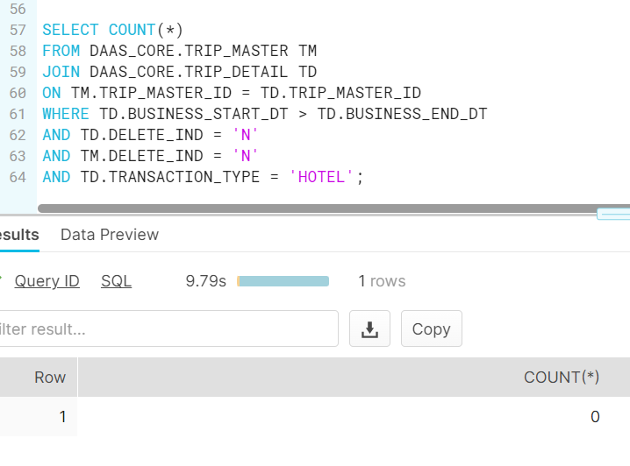
DAASS-8844 Digital Play - Incremental Defect - Found during Prod Restore Validation

Before Fix:
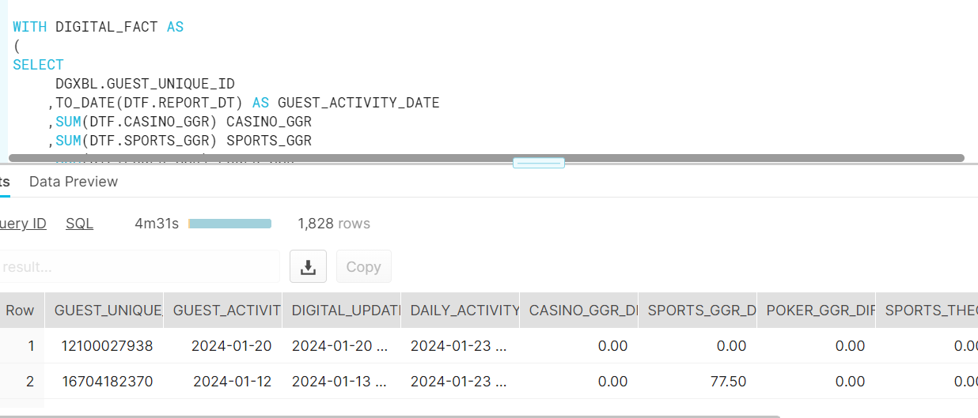
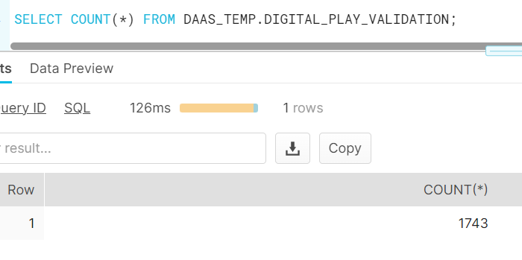

After Fix:
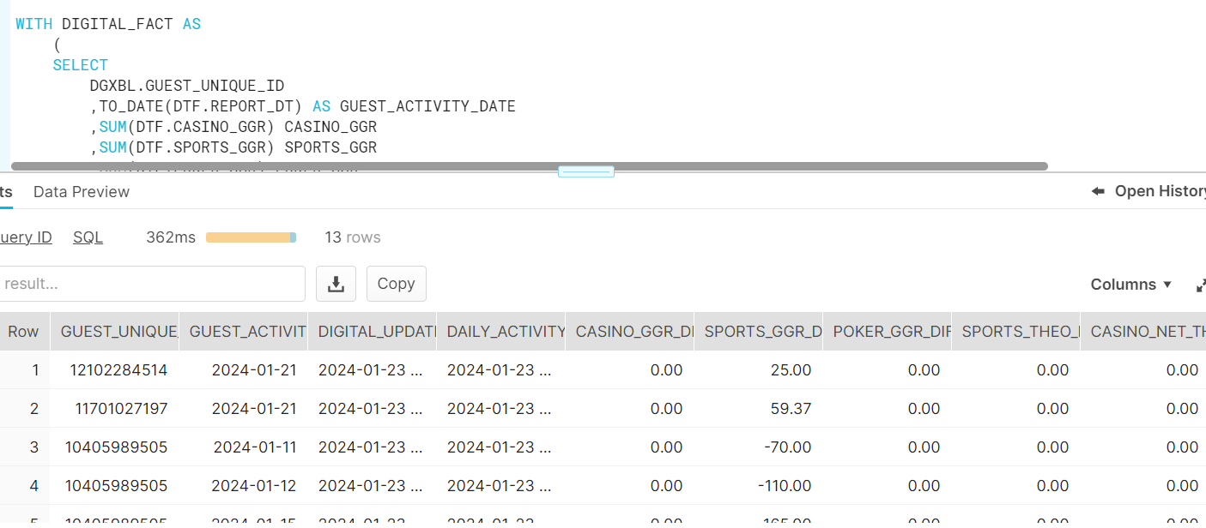

Reason for discrepancy records: As part of '0' metric handling(DAAS-8395), we're deleting records from temp table which are having '0' metrics. Here the scenario is non-zero metrics records in fact are later updated to '0' metrics, which is not getting reflected in DAILY_ACTIVITY_SUMMARY as we're deleting records from temp table. Need code fix for this scenario. The records which are affected by 8844 issue got fixed.

DAASS-8395 Business_Start_Dt is greater than Business_End_Dt in Trip_Detail for the active records

Before:
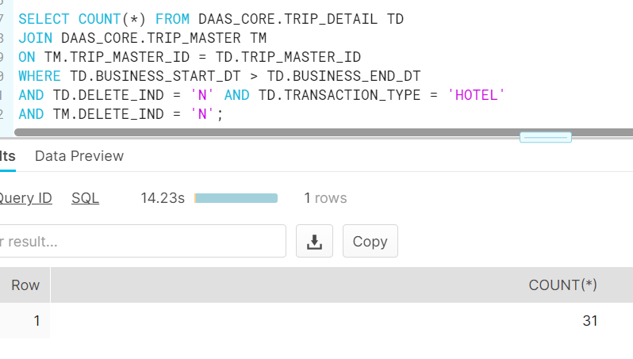

After:

